Sheet1
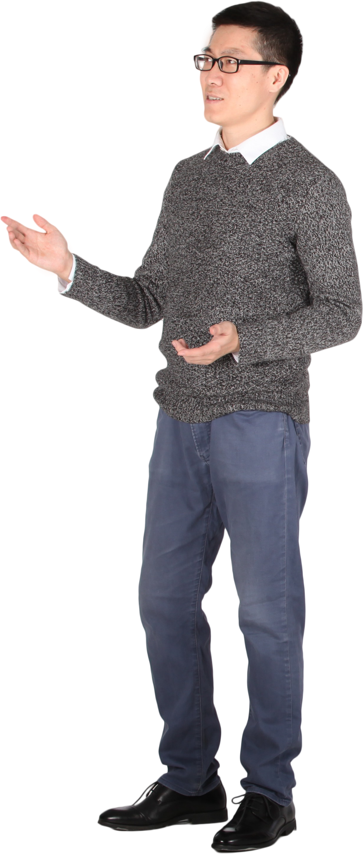
Text | Expected Answer
Enemy Coming | Vmvnb Xlnrmt
SPEARS & SWORDS8 | HKVZIH & HDLIWH1
King@Queen.Com | Prmt@Jfvvm.Xln
Prince Gets 100% | Kirmxv Tvgh 899%
Sky has no **** | Hpb szh ml ****
#Battles@23 | #Yzggovh@76
Attack on 12-Sep-22 | Zggzxp lm 87-Hvk-77
ATBASH Cipher
This is a case sensitive problem.
A/a, B/b, C/c.....Y/y, Z/z will be replaced with Z/z, Y/y, X/x....B/b, A/a.
0..9 will be replaced by 9..0.
Any character other than English letters and numbers will not be replaced.
(Marathon) Won $$$s | (Nzizgslm) Dlm $$$h
Victorious 9099 | Erxglirlfh 0900

